ADC
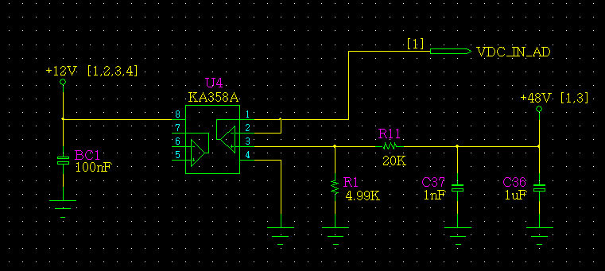
ADC Path review
 | 48V Vin ADC Review
 |  |  | VDC_IN_AD | Unit
 | POWER | Vdc | 48 | V
 |  | R1 | 20 | KΩ
 |  | R2 | 4.99 | KΩ
 |  | VDC_IN_AD | 9.58 | V
 | MCU | R1 | 4.7 | KΩ
 |  | R2 | 4.7 | KΩ
 |  | VIN | 4.79 | V
 |  | R3 | 2.4 | KΩ
 |  | R4 | 3.3 | KΩ
 |  | VDC_IN_AD | 2.77 | V

Current Sensor
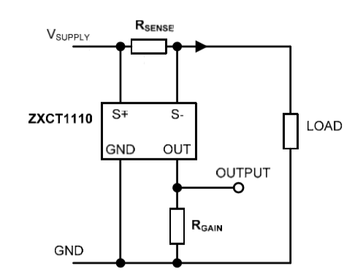

Current Sensor Review

ZXCT1110 | I_max | 12.5 | 10 | 1 | A | SMPS Max Current
 | Rsens1 | 0.01 | 0.01 | 0.01 | Ω
 | Rsens2 | 0.01 | 0.01 | 0.01 | Ω
 | Prsens | 0.391 | 0.250 | 0.003 | W
 | Vsens | 0.063 | 0.050 | 0.005 | V | Max 500mV
 | Iout | 0.250 | 0.200 | 0.020 | mA | Max 2mA
 | Rgain | 8.25 | 8.25 | 8.25 | kΩ
 | Vout | 2.063 | 1.650 | 0.165 | V | PWR_IS_AD
 | R13 | 50 | 50 | 50 | kΩ
 | R19 | 10 | 10 | 10 | kΩ
 | Vout | 12.375 | 9.9 | 0.99 | V
 | R14 | 2.2 | 2.2 | 2.2 | kΩ
 | R17 | 3.3 | 3.3 | 3.3 | kΩ
 | V_ADC | 7.425 | 5.94 | 0.594 | V

 |  | POWER PCB |  |  |  |  | MCU PCB
 |  | Rsens1 | 0.01 | Ω
 |  | Rsens2 | 0.01 | Ω | R13 | 47 | R14 | 3.6 | R14 | 2.2 | kΩ
 |  | Rgain | 8.25 | kΩ | R19 | 10 | R17 | 3.3 | R17 | 3.3 | kΩ
 |  | I_max | Vsens | Iout | Vout | Vopamp |  | V_ADC | V_ADC | ADC
 |  | 12.5 | 0.063 | 0.250 | 2.063 | 11.76 |  | 5.62 | 3.37 | 261
 |  | 12.0 | 0.060 | 0.240 | 1.980 | 11.29 |  | 5.40 | 3.24 | 250
 |  | 11.5 | 0.057 | 0.230 | 1.898 | 10.82 |  | 5.17 | 3.10 | 240
 |  | 11.0 | 0.055 | 0.220 | 1.815 | 10.35 |  | 4.95 | 2.97 | 229
 |  | 10.5 | 0.053 | 0.210 | 1.733 | 9.88 |  | 4.72 | 2.83 | 219
 |  | 10.0 | 0.050 | 0.200 | 1.650 | 9.41 |  | 4.50 | 2.70 | 209
 |  | 9.5 | 0.048 | 0.190 | 1.568 | 8.93 |  | 4.27 | 2.56 | 198
 |  | 9.0 | 0.045 | 0.180 | 1.485 | 8.46 |  | 4.05 | 2.43 | 188
 |  | 8.5 | 0.043 | 0.170 | 1.403 | 7.99 |  | 3.82 | 2.29 | 177
 |  | 8.0 | 0.040 | 0.160 | 1.320 | 7.52 |  | 3.60 | 2.16 | 167
 |  | 7.5 | 0.038 | 0.150 | 1.238 | 7.05 |  | 3.37 | 2.02 | 156
 |  | 7.0 | 0.035 | 0.140 | 1.155 | 6.58 |  | 3.15 | 1.89 | 146
 |  | 6.5 | 0.033 | 0.130 | 1.073 | 6.11 |  | 2.92 | 1.75 | 136
 |  | 6.0 | 0.030 | 0.120 | 0.990 | 5.64 |  | 2.70 | 1.62 | 125
 |  | 5.5 | 0.028 | 0.110 | 0.908 | 5.17 |  | 2.47 | 1.48 | 115
 |  | 5.0 | 0.025 | 0.100 | 0.825 | 4.70 |  | 2.25 | 1.35 | 104
 |  | 4.5 | 0.023 | 0.090 | 0.742 | 4.23 |  | 2.02 | 1.21 | 94
 |  | 4.0 | 0.020 | 0.080 | 0.660 | 3.76 |  | 1.80 | 1.08 | 83
 |  | 3.5 | 0.018 | 0.070 | 0.578 | 3.29 |  | 1.57 | 0.94 | 73
 |  | 3.0 | 0.015 | 0.060 | 0.495 | 2.82 |  | 1.35 | 0.81 | 63
 |  | 2.5 | 0.013 | 0.050 | 0.413 | 2.35 |  | 1.12 | 0.67 | 52

CT
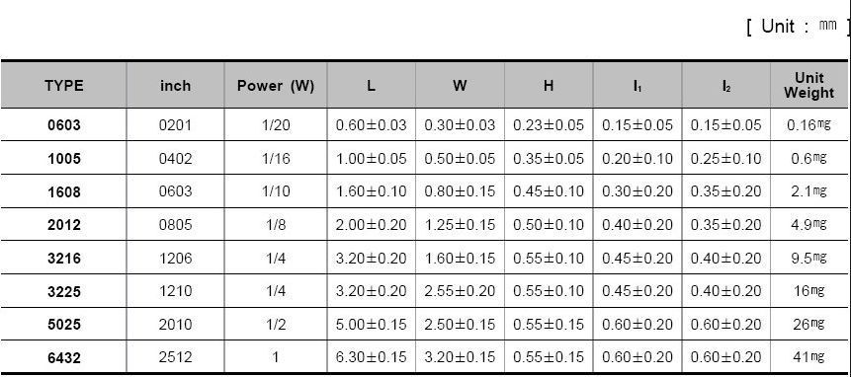

Vmax | 12 | 24 | V
R | 820 | 820 | Ω
I | 0.014634146341 | 0.029268292683 | A
P | 0.1756097561 | 0.70243902439 | W

Path review
Fc | C
13.56 | 10000 | 1.1743043421

 |  |  |  |  | 680 | 820 | 6.7434008093
L1[nH] | C3[pF] | fo[MHz] |  |  | 680 | 680 | 7.4051087958
470 | 300 | 13.410062437 |  | 820 | 680 | 560 | 8.1600324611
 |  |  | 100 | 680 | 680 | 470 | 8.9071131829
 |  |  | 120 | 560 | 680 | 390 | 9.7780802307
 |  |  | 150 | 470 | 680 | 330 | 10.629893906
 |  |  | 180 | 390 | 680 | 300 | 11.148726784
 |  |  | 220 | 330 | 680 | 270 | 11.751789882
 |  |  | 330 | 300 | 680 | 240 | 12.464655475
 |  |  | 390 | 270 | 680 | 220 | 13.018908045 | 12 | V
820 | 150 | 14.35779673 | 470 | 240 | 680 | 200 | 13.654345951 | 3 | W
 |  |  | 680 | 220 |  |  |  | 0.25 | A
51 | 240 | 45.514486503
510 | 2700 | 4.2911469398
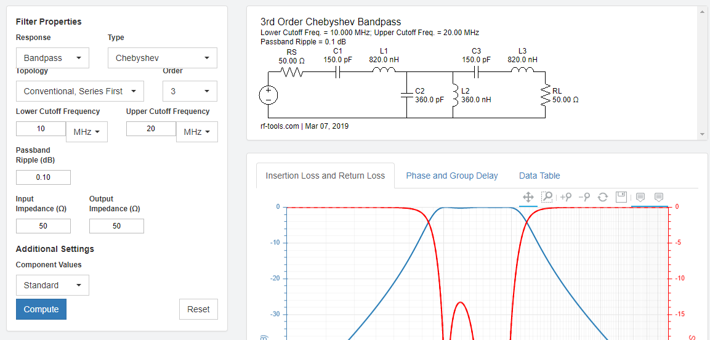

 |  |  |  |  |  |  |  | 3.3
 |  |  |  |  |  |  |  | 1.27
 |  |  |  |  |  |  |  | 2.03
 |  |  |  |  |  |  |  | 1.015

 |  |  |  |  |  |  |  | 1.27
 |  |  |  |  |  |  |  | 0.635

FILTER
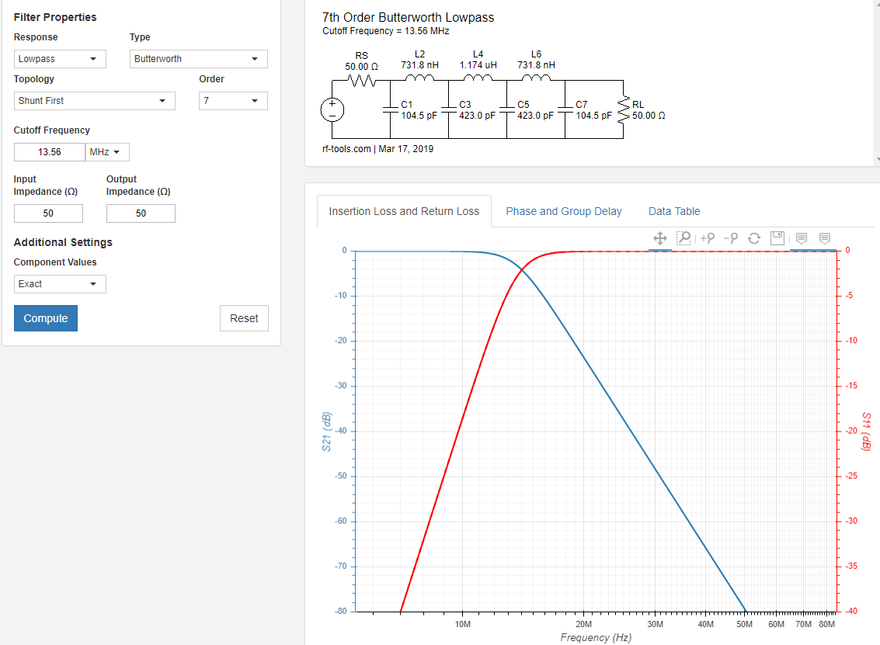
Filter matching value - reference PCB의 Data와 비슷함.

